LOAN

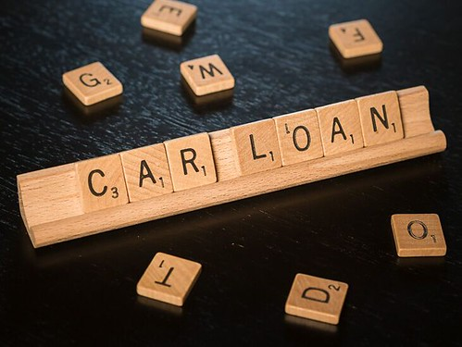




This Photo by Unknown Author is licensed under CC BY

PERSONAL LOAN
PERSONAL LOAN

 |  |  | HOME

 | Personal Loan Details
 | Interest Rate | 8.95% p.a. onwards
 | Loan Amount | Up to Rs.25 lakh
 | Loan Tenure | Up to 7 years
 | Processing Fee | 0% - 3% of the loan amount + GST

 | SELECT BANK | Bank of Baroda
 | RATE OF INTEREST | 10.00% onwards

 | ENTER THE AMOUNT | 60000
 | APPLICABLE RATE OF INTEREST | 10.00%
 | TIME PERIOD (IN MONTHS) | 15
 | MONTHLY INSTALLMENTS | ₹ 4,271.83

CLICK HERE TO APPLY

Please Note: Updated on 1st July 2021. Personal loan interest rates are subject to change without prior information.

CAR LOAN
CAR LOAN

 |  |  | HOME

 | CAR Loan Details
 | Interest Rate (Monthly reducing balance) | 7.25% onwards
 | Processing Fees | Depends on the bank
 | Loan Tenure | 1 year to 8 years
 | Pre-closure Charges | Varies with bank
 | Guarantor Requirement | Varies with bank

 | SELECT BANK | --SELECT--
 | RATE OF INTEREST | -

 | ENTER THE AMOUNT | 500000
 | APPLICABLE RATE OF INTEREST | -
 | TIME PERIOD (IN MONTHS) | 13
 | MONTHLY INSTALLMENTS

CLICK HERE TO APPLY

Please Note: Updated on 1st July 2021. Car loan interest rates are subject to change without prior information.

EDUCATION LOAN
EDUCATION LOAN

 |  |  | HOME

 | EDUCATION Loan Details
 | Particulars | Eligibility
 | Nationality | Indian
 | Age | Minimum- 18 years Maximum- 35 years
 | Academic record | Proven- good
 | Qualification | Pursuing graduate/postgraduate degree or a PG diploma.
 | Income source | Parents/Guardians
 | Income | Stable
 | University Applied to | Recognised – In India/Abroad
 | Admission Status | Confirmed
 | Security | Tangible collateral or guarantor- depending on the loan amount and income source.

 | SELECT BANK | --SELECT--
 | RATE OF INTEREST | -

 | ENTER THE AMOUNT | 500000
 | APPLICABLE RATE OF INTEREST | -
 | TIME PERIOD (IN MONTHS) | 60
 | MONTHLY INSTALLMENTS

CLICK HERE TO APPLY

Please Note: Updated on 1st July 2021. Education loan interest rates are subject to change without prior information.

HOME LOAN
HOME LOAN

 |  |  | HOME

 | HOME Loan Details
 | Interest Rate | 6.65% p.a. onwards
 | Loan Amount | Up to Rs.10 crore
 | Loan Tenure | Up to 30 years
 | Processing Fee | 0% - 3% of the loan amount + GST

 | SELECT BANK | Kotak Mahindra Bank
 | RATE OF INTEREST | 0.0665

 | ENTER THE AMOUNT | 2000000
 | APPLICABLE RATE OF INTEREST | 6.65%
 | TIME PERIOD (IN MONTHS) | 50
 | MONTHLY INSTALLMENTS | ₹ 45,907.28

CLICK HERE TO APPLY

Please Note: Updated on 1st July 2021. Home loan interest rates are subject to change without prior information.

